VLOOKUP Breaks
VLOOKUP Can Break When Inserting Columns
Table of Contents
CLASSIC FAVORITES | TALL | GRANDE | VENTI
Caffe Latte | $2.95 | $3.75 | $4.15
Cappuccino | $2.95 | $3.65 | $4.15
Caramel Macchiato | $3.75 | $3.95 | $4.25
Caffe Mocha | $3.25 | $3.95 | $4.40
White Chocolate Mocha | $3.45 | $4.15 | $4.55
Caffe Americano | $2.00 | $2.40 | $2.75
Cinnamon Dolce Latte | $3.95 | $4.75 | $5.15
Steamer | $2.25 | $2.50 | $2.75
Drip Coffee | $1.75 | $1.95 | $2.05

Question: What is the price of a Caffe Mocha, size Grande?
VLOOKUP can return the wrong result when columns are added/deleted from the table_array.
Caffe Mocha | 0.00

VLOOKUP to Left
VLOOKUP cannot return a result from a column to the left of the lookup range (1st column in the table_array).
VLOOKUP Can Not Look to the Left
Table of Contents
Lookup Value | Region
Dobbert, Susan | #N/A
Dunton, Donna
Davis, Jan

Region | Name | Department
East | DeRusha, Joe | 5255-Data/Connectivity Sales
East | De Pasquale, Richard | 5256-Sales Mgt & Support
East | Dobbert, Susan | 5257-Auto Sales
East | Dillard, Susan | 5258-IAP Sales
West | Dunton, Donna | 5259-Sales Channel
West | De Vries, John | 5262-Auto GM

MATCH Definition
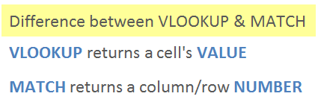
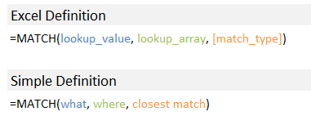
MATCH Definition
Table of Contents

Match Column Example
MATCH Returns the Column Number
Table of Contents
 | CLASSIC FAVORITES | TALL | GRANDE | VENTI
 | Caffe Latte | $2.95 | $3.75 | $4.15
 | Cappuccino | $2.95 | $3.65 | $4.15
 | Caramel Macchiato | $3.75 | $3.95 | $4.25
 | Caffe Mocha | $3.25 | $3.95 | $4.40
 | White Chocolate Mocha | $3.45 | $4.15 | $4.55
 | Caffe Americano | $2.00 | $2.40 | $2.75
 | Cinnamon Dolce Latte | $3.95 | $4.75 | $5.15

 | MATCH Returns the RELATIVE row or column number of the lookup value

 | Grande | 3

MATCH can also be used to return the column number of the lookup value in a row. Checkout this article on how to combine MATCH with VLOOKUP.

INDEX Definition
INDEX Definition
Table of Contents
INDEX Returns a Cell's Value based on the intersection of the row and column number of a range.
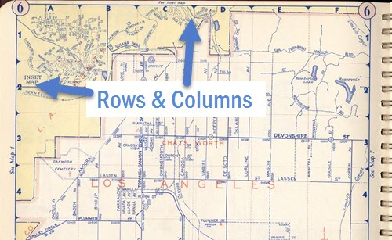



 | Full Article:
 | http://www.excelcampus.com/functions/index-function-explained/

Lookup to the Left
Lookup to the Left with INDEX/MATCH
Table of Contents
Emp ID | Region | Name | Department | Month | Year | Sales | Discounts
10001 | East | DeRusha, Joe | 5255-Data/Connectivity Sales | Jan | FY13 | 100,000 | 25,000
10002 | East | De Pasquale, Richard | 5256-Sales Mgt & Support | Jan | FY13 | 150,000 | 30,000
10003 | East | Dobbert, Susan | 5257-Auto Sales | Jan | FY13 | 200,000 | 35,000
10004 | East | Dillard, Susan | 5258-IAP Sales | Jan | FY13 | 250,000 | 40,000
10005 | West | Dunton, Donna | 5259-Sales Channel | Jan | FY13 | 300,000 | 45,000
10006 | West | De Vries, John | 5262-Auto GM | Jan | FY13 | 350,000 | 50,000
10007 | West | De Sousa, Kristi | 5263-Sales Support | Jan | FY13 | 400,000 | 55,000
10008 | West | Defonso, Daniel | 5264-ARD Sales | Jan | FY13 | 450,000 | 60,000

Question: What is Donna Dunton's Employee ID?

Dunton, Donna | 10005

INDEX MATCH can be used to return a value from a column to the left of the lookup range.

